Sheet1
IMAGE | DESCRIPTION | QTY PER CASE | UPC | CASES | UNITS | AMAZON CURRENT | TOTAL AMAZON | LIQUIDATION | Liq. Totals
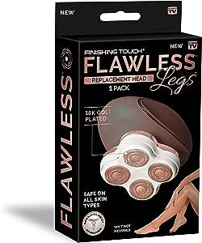 | FLAWLESS LEGS REPLACEMENT HEAD | 4/1CT | 59593095566 | 219 | 876 | 32.99 | 28,899.24 | 12.00 | 10,512.00
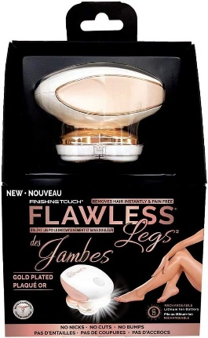 | FLAWLESS LEGGS SHAVER | 3/2PK | 59593095580 | 155 | 930 | 89.99 | 83,690.70 | 26.50 | 24,645.00
 | FLAWLESS FINISHING TOUCH SHAVER | 6/1CT | 61700830175 | 220 | 1320 | 31.99 | 42,226.80 | 12.00 | 15,840.00
 | FLAWLESS DERMAPLANE GLOW | 4/3PK | 59593096891 | 712 | 8544 | 24.35 | 208,046.40 | 10.00 | 85,440.00
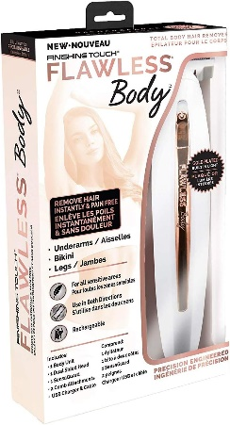 | FLAWLESS BODY SHAVER WHITE/ROSE GOLD | 4/1CT | 59593096808 | 245 | 980 | 31.95 | 31,311.00 | 12.00 | 11,760.00
 | Finishing Touch Flawless Pedi Electronic Tool File and Callus Remover, Pedicure | 2/3PK X 1CT | 754502046690 | 11 | 66 | 32.99 | 2,177.34 | 12.00 | 792.00
 |  |  |  |  | 12716 | TOTAL | 396,351.48 |  | 148,989.00

